1
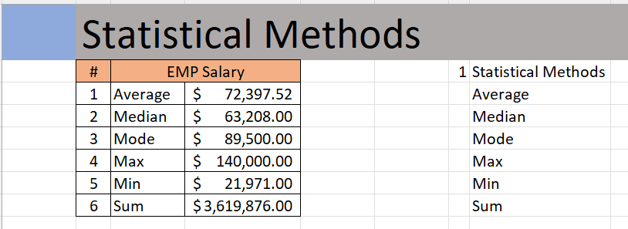
 | Statistical Methods
 | # | EMP Salary
 | 1 | Average | $72,397.52
 | 2 | Median | $63,208.00
 | 3 | Mode | $89,500.00
 | 4 | Max | $140,000.00
 | 5 | Min | $21,971.00
 | 6 | Sum | $3,619,876.00

Outcome should be as below

5
 | Calculate Bonus based on %

 |  | Employee ID | Department | Employee | Country | Yearly Sal | Bonus % | Bonus $ | EmployeID | Bonus % | Employee Name
 |  | ID18 | Sales | James Willard | Australia | $60,270.00 | 0.00% | $- | ID7 | 27% | Stevie Bridge
 |  | ID8 | Sales | Robert Spear | Netherlands | $39,627.00 | 23.00% | $9,114.21 | ID20 | 25% | Roger Mun
 |  | ID24 | Sales | Paul Garza | USA | $29,726.00 | 10.00% | $2,972.60 | ID25 | 25% | Paul Hill
 |  | ID23 | Sales | Tommy Lee | USA | $93,668.00 | 0.00% | $- | ID26 | 25% | Robert Richardson
 |  | ID13 | Sales | Kim West | Netherlands | $134,000.00 | 8.00% | $10,720.00 | ID21 | 25% | Maria Tot
 |  | ID7 | Sales | Stevie Bridge | Netherlands | $34,808.00 | 27.00% | $9,398.16 | ID4 | 24% | Gary Miller
 |  | ID19 | Sales | Paul Wells | USA | $135,000.00 | 14.00% | $18,900.00 | ID10 | 24% | Brigitte Bond
 |  | ID22 | Sales | Ewan Thompson | USA | $45,000.00 | 9.00% | $4,050.00 | ID8 | 23% | Robert Spear
 |  | ID5 | Sales | Walter Miller | USA | $89,500.00 | 6.00% | $5,370.00 | ID9 | 23% | Peter Ramsy
 |  | ID9 | Sales | Peter Ramsy | Australia | $21,971.00 | 23.00% | $5,053.33 | ID1 | 21% | Crystal Doyle
 |  | ID17 | Sales | Wolfgang Ramjac | Australia | $80,000.00 | 6.00% | $4,800.00 | ID11 | 20% | Dan Ziegler
 |  | ID10 | Sales | Brigitte Bond | USA | $45,117.00 | 24.00% | $10,828.08 | ID16 | 19% | Corinna Schmidt
Output should look like below |  | ID21 | Sales | Maria Tot | Netherlands | $50,545.00 | 25.00% | $12,636.25 | ID29 | 18% | Andre Cooper
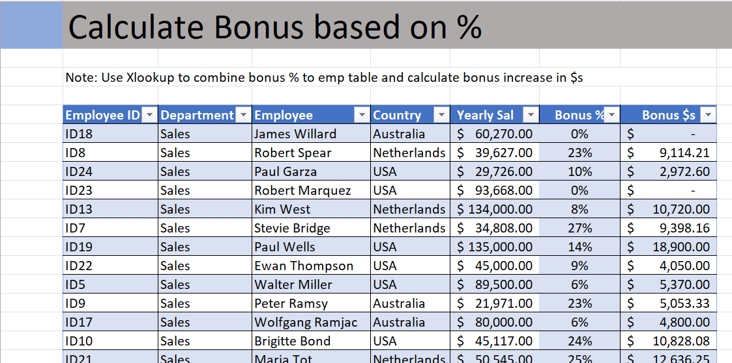
 |  | ID3 | Procurement | Natalie Porter | USA | $140,000.00 | 10.00% | $14,000.00 | ID27 | 18% | Mike Saban
 |  | ID29 | Procurement | Andre Cooper | Netherlands | $110,000.00 | 18.00% | $19,800.00 | ID15 | 17% | Betina Bauer
 |  | ID30 | Procurement | Robert Musser | USA | $68,357.00 | 0.00% | $- | ID12 | 14% | Richard Elliot
 |  | ID14 | Procurement | Ann Withers | Australia | $51,800.00 | 9.00% | $4,662.00 | ID19 | 14% | Paul Wells
 |  | ID16 | Procurement | Corinna Schmidt | USA | $97,000.00 | 19.00% | $18,430.00 | ID24 | 10% | Paul Garza
 |  | ID27 | Procurement | Mike Saban | USA | $45,000.00 | 18.00% | $8,100.00 | ID3 | 10% | Natalie Porter
 |  | ID4 | Finance | Gary Miller | Australia | $89,500.00 | 24.00% | $21,480.00 | ID14 | 9% | Ann Withers
 |  | ID12 | Finance | Richard Elliot | USA | $35,971.00 | 14.00% | $5,035.94 | ID22 | 9% | Ewan Thompson
 |  | ID20 | Finance | Roger Mun | Netherlands | $80,000.00 | 25.00% | $20,000.00 | ID13 | 8% | Kim West
 |  | ID28 | Finance | Daniel Garrett | USA | $55,117.00 | 0.00% | $- | ID5 | 6% | Walter Miller
 |  | ID25 | Finance | Paul Hill | Australia | $58,445.00 | 25.00% | $14,611.25 | ID17 | 6% | Wolfgang Ramjac
 |  | ID1 | Finance | Crystal Doyle | USA | $120,000.00 | 21.00% | $25,200.00 | ID31 | 6% | Lukas Hofer
 |  | ID15 | Finance | Betina Bauer | USA | $45,117.00 | 17.00% | $7,669.89 | ID32 | 15% | Ashley Lee
 |  | ID2 | Finance | Daniela Schreiber | Netherlands | $50,545.00 | 0.00% | $- | ID33 | 15% | Tommy Lee
 |  | ID11 | Finance | Dan Ziegler | Australia | $140,000.00 | 20.00% | $28,000.00 | ID34 | 19% | Mercy Mayo
 |  | ID26 | Finance | Robert Richardson | USA | $90,000.00 | 25.00% | $22,500.00 | ID35 | 18% | John Baptist
 |  | ID6 | Finance | Robert Blume | Netherlands | $88,357.00 | 0.00% | $- | ID36 | 18% | Joseph Vinod
 |  | ID31 | Finance | Lukas Hofer | USA | $59,200.00 | 6.00% | $3,552.00 | ID37 | 21% | Sarah Gavlace
 |  | ID32 | Finance | Ashley Lee | Australia | $97,000.00 | 15.00% | $14,550.00 | ID38 | 14% | Hanna Morea
 |  | ID33 | Finance | Tim Watson | USA | $68,357.00 | 15.00% | $10,253.55 | ID39 | 16% | John Mark
 |  | ID34 | Finance | Mercy Mayo | Netherlands | $51,800.00 | 19.00% | $9,842.00 | ID40 | 14% | John Mylas
 |  | ID35 | Finance | John Baptist | USA | $97,000.00 | 18.00% | $17,460.00 | ID41 | 22% | Isaac Doantan
 |  | ID36 | Finance | Joseph Vinod | Australia | $45,000.00 | 18.00% | $8,100.00 | ID42 | 13% | Stephen Hughes
 |  | ID37 | Procurement | Sarah Gavlace | USA | $89,500.00 | 21.00% | $18,795.00 | ID43 | 16% | Stephen Hawkings
 |  | ID38 | Procurement | Hanna Morea | Netherlands | $35,971.00 | 14.00% | $5,035.94 | ID44 | 9% | Mahitha Nowman
 |  | ID39 | Procurement | John Mark | Netherlands | $80,000.00 | 16.00% | $12,800.00 | ID45 | 10% | Charles Paul
 |  | ID40 | Procurement | John Mylas | Australia | $55,117.00 | 14.00% | $7,716.38 | ID46 | 18% | Sharon Rose
 |  | ID41 | Sales | Isaac Doantan | USA | $58,445.00 | 22.00% | $12,857.90 | ID47 | 13% | Edward William
 |  | ID42 | Sales | Stephen Hughes | USA | $120,000.00 | 13.00% | $15,600.00 | ID48 | 19% | Rose Kuntum
 |  | ID43 | Procurement | Stephen Hawkings | Netherlands | $45,450.00 | 16.00% | $7,272.00 | ID49 | 20% | Lenny Karwiz
 |  | ID44 | Procurement | Mahitha Nowman | USA | $89,500.00 | 9.00% | $8,055.00 | ID50 | 11% | Ruth Joseph
 |  | ID45 | Procurement | Charles Paul | Australia | $65,971.00 | 10.00% | $6,597.10
 |  | ID46 | Procurement | Sharon Rose | USA | $80,000.00 | 18.00% | $14,400.00
 |  | ID47 | Sales | Edward William | Netherlands | $55,117.00 | 13.00% | $7,165.21
 |  | ID48 | Sales | Rose Kuntum | Australia | $60,445.00 | 19.00% | $11,484.55
 |  | ID49 | Sales | Lenny Karwiz | USA | $83,117.00 | 20.00% | $16,623.40
 |  | ID50 | Sales | Ruth Joseph | Australia | $58,445.00 | 11.00% | $6,428.95
 |  | Total |  |  |  | $3,619,876.00 |  | $517,920.69

6
 | Employee with bonus

 |  | Employee ID | Department | Employee | Country | Yearly Sal | Bonus % | Bonus $
 |  | ID18 | Sales | James Willard | Australia | $60,270.00 | 0.00% | $-
 |  | ID8 | Sales | Robert Spear | Netherlands | $39,627.00 | 23.00% | $9,114.21
 |  | ID24 | Sales | Paul Garza | USA | $29,726.00 | 10.00% | $2,972.60
 |  | ID23 | Sales | Tommy Lee | USA | $93,668.00 | 0.00% | $- | Employee Name | Sum of Bonus $
 |  | ID13 | Sales | Kim West | Netherlands | $134,000.00 | 8.00% | $10,720.00 | Andre Cooper | $19,800.00
 |  | ID7 | Sales | Stevie Bridge | Netherlands | $34,808.00 | 27.00% | $9,398.16 | Ann Withers | $4,662.00
 |  | ID19 | Sales | Paul Wells | USA | $135,000.00 | 14.00% | $18,900.00 | Ashley Lee | $14,550.00
 |  | ID22 | Sales | Ewan Thompson | USA | $45,000.00 | 9.00% | $4,050.00 | Betina Bauer | $7,669.89
Output should look like below. |  | ID5 | Sales | Walter Miller | USA | $89,500.00 | 6.00% | $5,370.00 | Brigitte Bond | $10,828.08
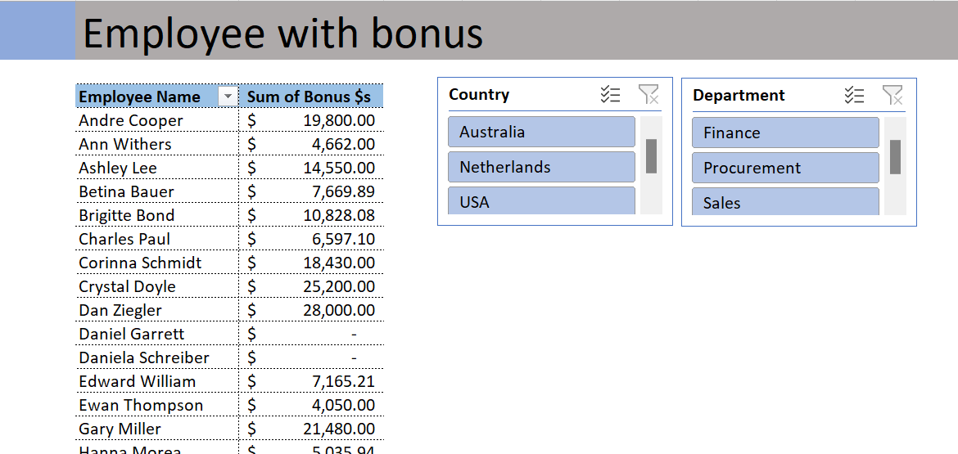
 |  | ID9 | Sales | Peter Ramsy | Australia | $21,971.00 | 23.00% | $5,053.33 | Charles Paul | $6,597.10
 |  | ID17 | Sales | Wolfgang Ramjac | Australia | $80,000.00 | 6.00% | $4,800.00 | Corinna Schmidt | $18,430.00
 |  | ID10 | Sales | Brigitte Bond | USA | $45,117.00 | 24.00% | $10,828.08 | Crystal Doyle | $25,200.00
 |  | ID21 | Sales | Maria Tot | Netherlands | $50,545.00 | 25.00% | $12,636.25 | Dan Ziegler | $28,000.00
 |  | ID3 | Procurement | Natalie Porter | USA | $140,000.00 | 10.00% | $14,000.00 | Daniel Garrett | $0.00
 |  | ID29 | Procurement | Andre Cooper | Netherlands | $110,000.00 | 18.00% | $19,800.00 | Daniela Schreiber | $0.00
 |  | ID30 | Procurement | Robert Musser | USA | $68,357.00 | 0.00% | $- | Edward William | $7,165.21
 |  | ID14 | Procurement | Ann Withers | Australia | $51,800.00 | 9.00% | $4,662.00 | Ewan Thompson | $4,050.00
 |  | ID16 | Procurement | Corinna Schmidt | USA | $97,000.00 | 19.00% | $18,430.00 | Gary Miller | $21,480.00
 |  | ID27 | Procurement | Mike Saban | USA | $45,000.00 | 18.00% | $8,100.00 | Hanna Morea | $5,035.94
 |  | ID4 | Finance | Gary Miller | Australia | $89,500.00 | 24.00% | $21,480.00 | Isaac Doantan | $12,857.90
 |  | ID12 | Finance | Richard Elliot | USA | $35,971.00 | 14.00% | $5,035.94 | James Willard | $0.00
 |  | ID20 | Finance | Roger Mun | Netherlands | $80,000.00 | 25.00% | $20,000.00 | John Baptist | $17,460.00
 |  | ID28 | Finance | Daniel Garrett | USA | $55,117.00 | 0.00% | $- | John Mark | $12,800.00
 |  | ID25 | Finance | Paul Hill | Australia | $58,445.00 | 25.00% | $14,611.25 | John Mylas | $7,716.38
 |  | ID1 | Finance | Crystal Doyle | USA | $120,000.00 | 21.00% | $25,200.00 | Joseph Vinod | $8,100.00
 |  | ID15 | Finance | Betina Bauer | USA | $45,117.00 | 17.00% | $7,669.89 | Kim West | $10,720.00
 |  | ID2 | Finance | Daniela Schreiber | Netherlands | $50,545.00 | 0.00% | $- | Lenny Karwiz | $16,623.40
 |  | ID11 | Finance | Dan Ziegler | Australia | $140,000.00 | 20.00% | $28,000.00 | Lukas Hofer | $3,552.00
 |  | ID26 | Finance | Robert Richardson | USA | $90,000.00 | 25.00% | $22,500.00 | Mahitha Nowman | $8,055.00
 |  | ID6 | Finance | Robert Blume | Netherlands | $88,357.00 | 0.00% | $- | Maria Tot | $12,636.25
 |  | ID31 | Finance | Lukas Hofer | USA | $59,200.00 | 6.00% | $3,552.00 | Mercy Mayo | $9,842.00
 |  | ID32 | Finance | Ashley Lee | Australia | $97,000.00 | 15.00% | $14,550.00 | Mike Saban | $8,100.00
 |  | ID33 | Finance | Tim Watson | USA | $68,357.00 | 15.00% | $10,253.55 | Natalie Porter | $14,000.00
 |  | ID34 | Finance | Mercy Mayo | Netherlands | $51,800.00 | 19.00% | $9,842.00 | Paul Garza | $2,972.60
 |  | ID35 | Finance | John Baptist | USA | $97,000.00 | 18.00% | $17,460.00 | Paul Hill | $14,611.25
 |  | ID36 | Finance | Joseph Vinod | Australia | $45,000.00 | 18.00% | $8,100.00 | Paul Wells | $18,900.00
 |  | ID37 | Procurement | Sarah Gavlace | USA | $89,500.00 | 21.00% | $18,795.00 | Peter Ramsy | $5,053.33
 |  | ID38 | Procurement | Hanna Morea | Netherlands | $35,971.00 | 14.00% | $5,035.94 | Richard Elliot | $5,035.94
 |  | ID39 | Procurement | John Mark | Netherlands | $80,000.00 | 16.00% | $12,800.00 | Robert Blume | $0.00
 |  | ID40 | Procurement | John Mylas | Australia | $55,117.00 | 14.00% | $7,716.38 | Robert Musser | $0.00
 |  | ID41 | Sales | Isaac Doantan | USA | $58,445.00 | 22.00% | $12,857.90 | Robert Richardson | $22,500.00
 |  | ID42 | Sales | Stephen Hughes | USA | $120,000.00 | 13.00% | $15,600.00 | Robert Spear | $9,114.21
 |  | ID43 | Procurement | Stephen Hawkings | Netherlands | $45,450.00 | 16.00% | $7,272.00 | Roger Mun | $20,000.00
 |  | ID44 | Procurement | Mahitha Nowman | USA | $89,500.00 | 9.00% | $8,055.00 | Rose Kuntum | $11,484.55
 |  | ID45 | Procurement | Charles Paul | Australia | $65,971.00 | 10.00% | $6,597.10 | Ruth Joseph | $6,428.95
 |  | ID46 | Procurement | Sharon Rose | USA | $80,000.00 | 18.00% | $14,400.00 | Sarah Gavlace | $18,795.00
 |  | ID47 | Sales | Edward William | Netherlands | $55,117.00 | 13.00% | $7,165.21 | Sharon Rose | $14,400.00
 |  | ID48 | Sales | Rose Kuntum | Australia | $60,445.00 | 19.00% | $11,484.55 | Stephen Hawkings | $7,272.00
 |  | ID49 | Sales | Lenny Karwiz | USA | $83,117.00 | 20.00% | $16,623.40 | Stephen Hughes | $15,600.00
 |  | ID50 | Sales | Ruth Joseph | Australia | $58,445.00 | 11.00% | $6,428.95 | Stevie Bridge | $9,398.16
 |  | Total |  |  |  | $3,619,876.00 |  | $517,920.69 | Tim Watson | $10,253.55
 |  |  |  |  |  |  |  |  | Tommy Lee | $0.00
 |  |  |  |  |  |  |  |  | Walter Miller | $5,370.00
 |  |  |  |  |  |  |  |  | Wolfgang Ramjac | $4,800.00
 |  |  |  |  |  |  |  |  | Grand Total | $517,920.69

